2015 Price
2015 Distributed Solar Cost ($/W DC)
$4.00 | Based on first half (H1) of the year 2015, in the figure below

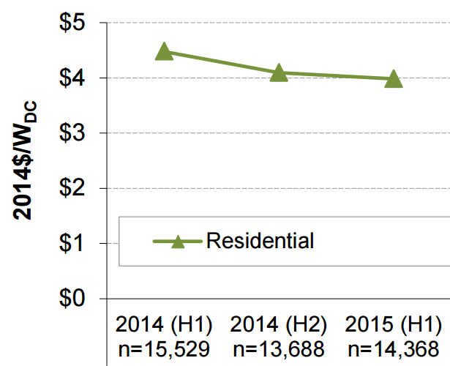

Watts DC are lower than Watts AC, but AC is needed to either sell to the grid or to power devices in homes.
Therefore, we convert to the cost per Watt AC using a derate factor:
0.77 | DC to AC derate factor

2015 Distributed Solar Cost ($/W AC)
$5.19

